1st exec
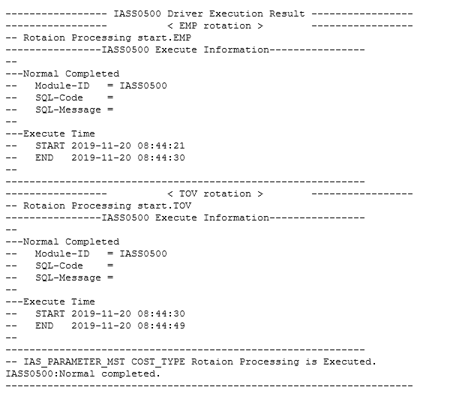
EMP/TOV ROTATION PROCEDURE:
 | SELECT parameter_key,
1. Upload next period cost from interface. | last_update_date,
IASS0490_TOV IA TOV upload from Price Master interface | attribute1,
 | attribute2,
2. Launch backup | attribute3,
IASS_Daily12BKUP daily backup | help
(This includes IAS_UNIT_PRICE and IAS_PARAMETER_MST) | FROM XXIA.IAS_PARAMETER_MST
 | WHERE 1=1
3. Launch rotation job | AND parameter_key LIKE '%EMP%'
IASS0500 TOV and EMP rotation (April or October job) | AND ledger_name = 'T090593_TIP_IFRS'
(EMP and TOV rotation) | AND parameter_data = 'USD'

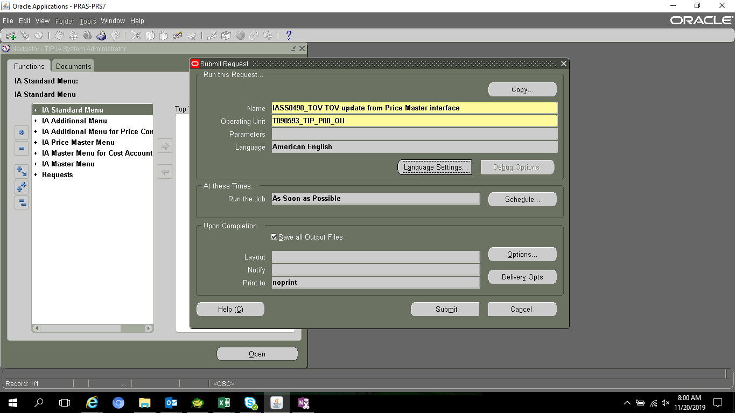

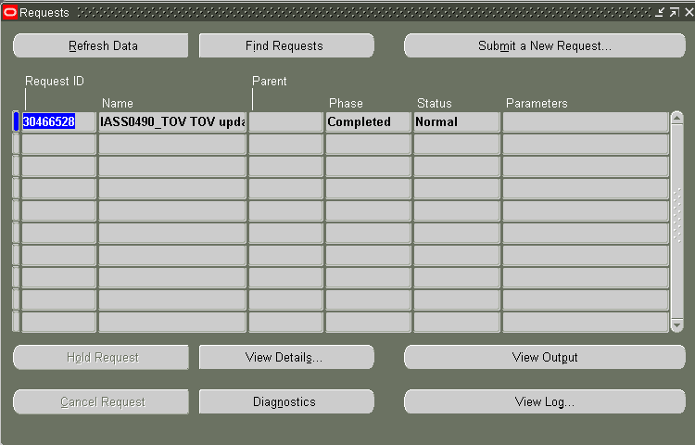

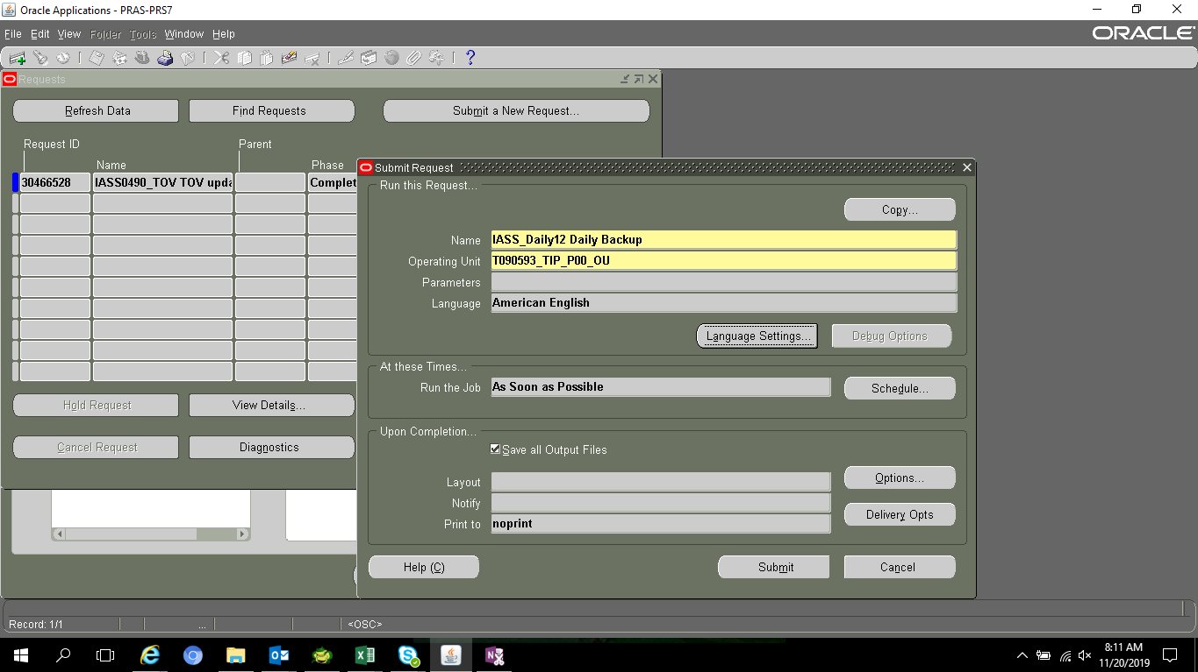

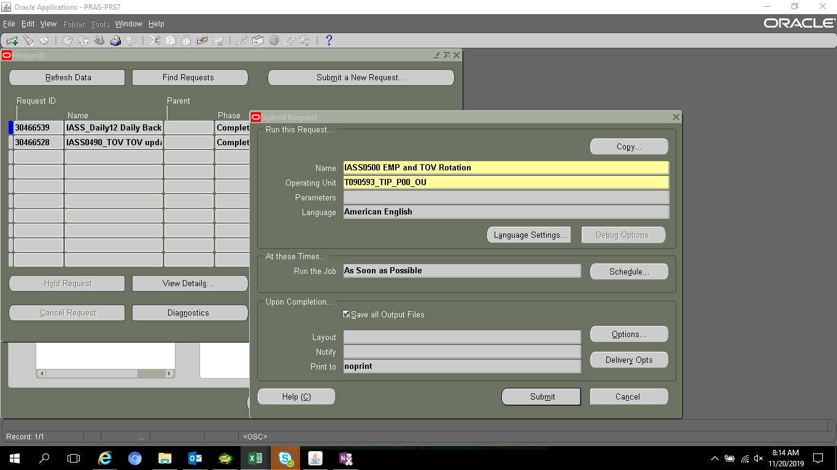

DID NOT CHANGE

Change the accounting Period to september

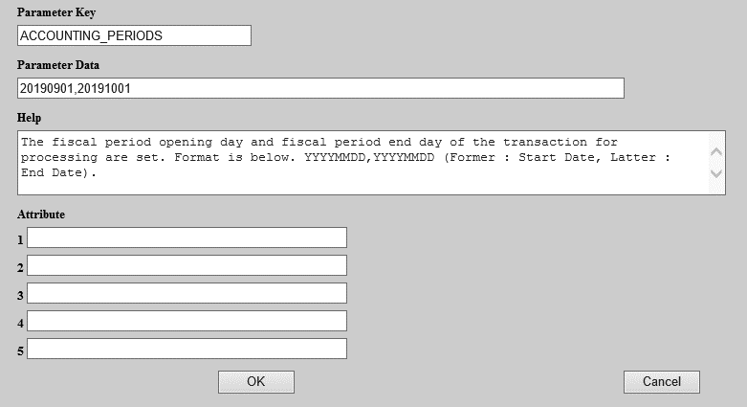
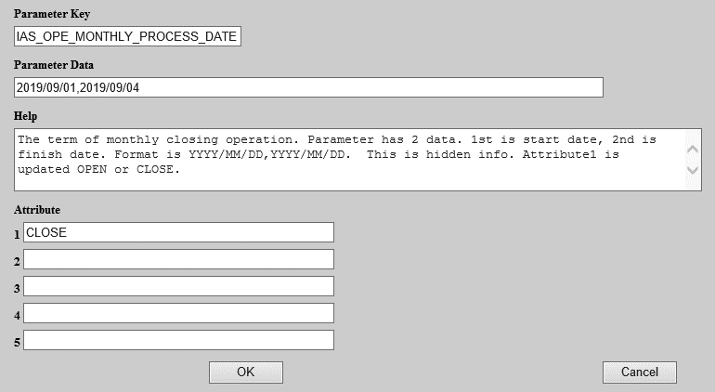

RE-RUN Steps
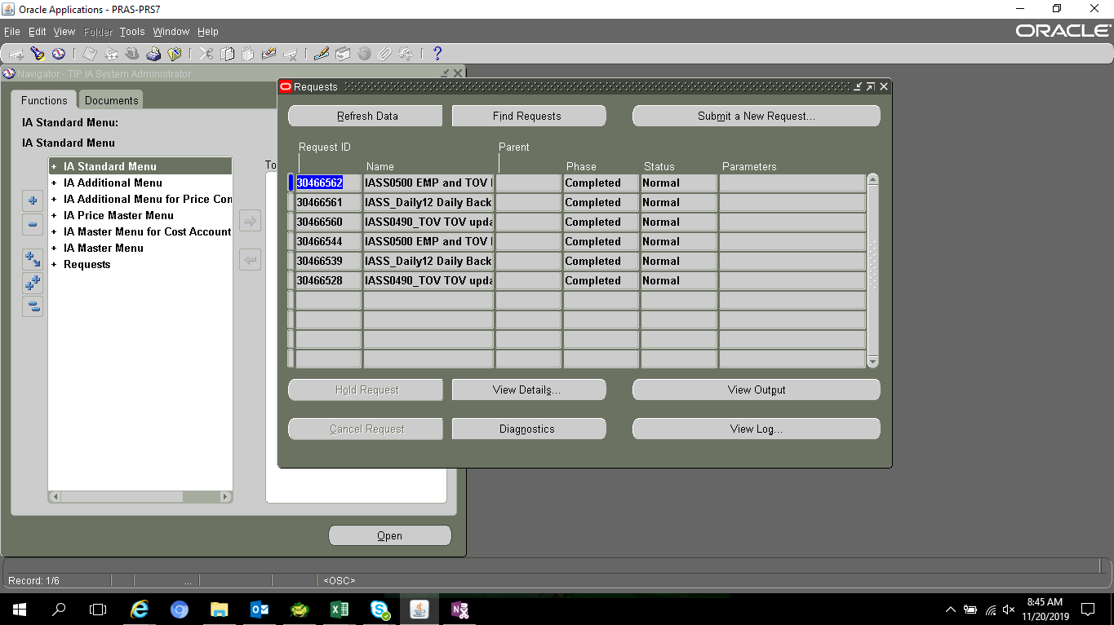

ROTATED - COMPLETED

2nd exec
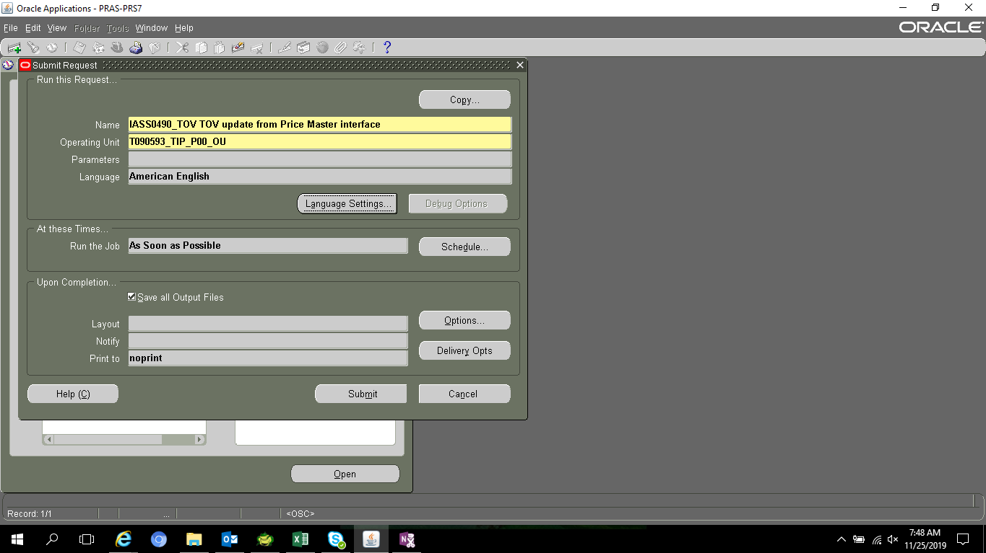
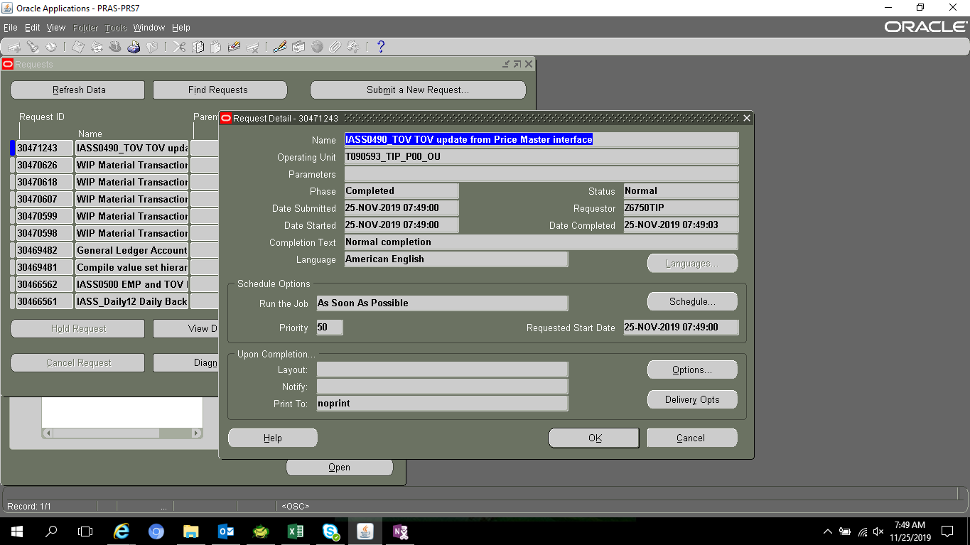
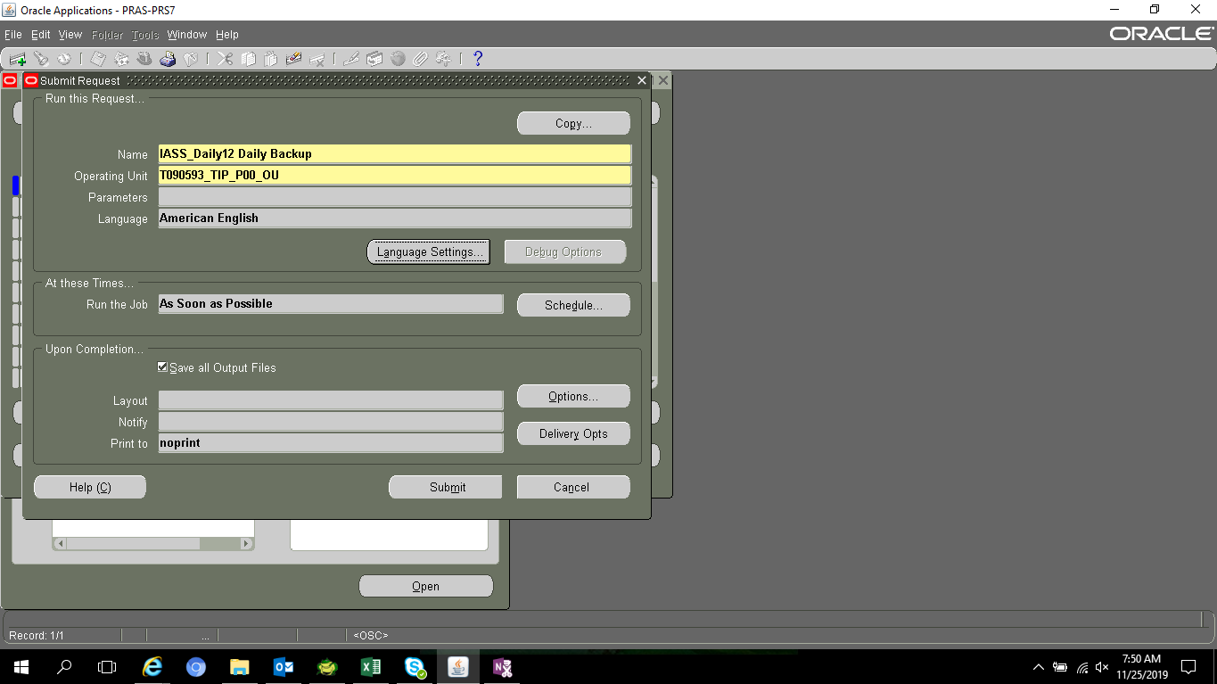
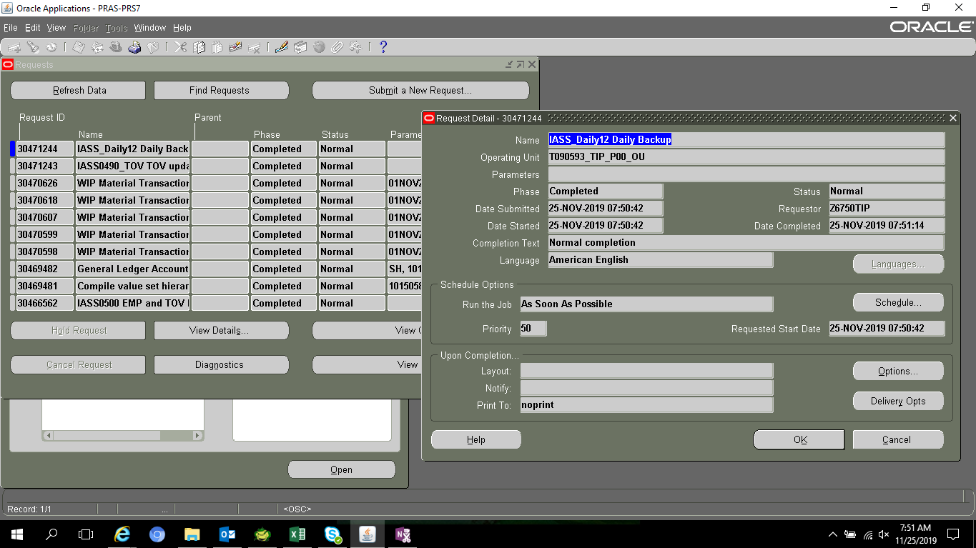
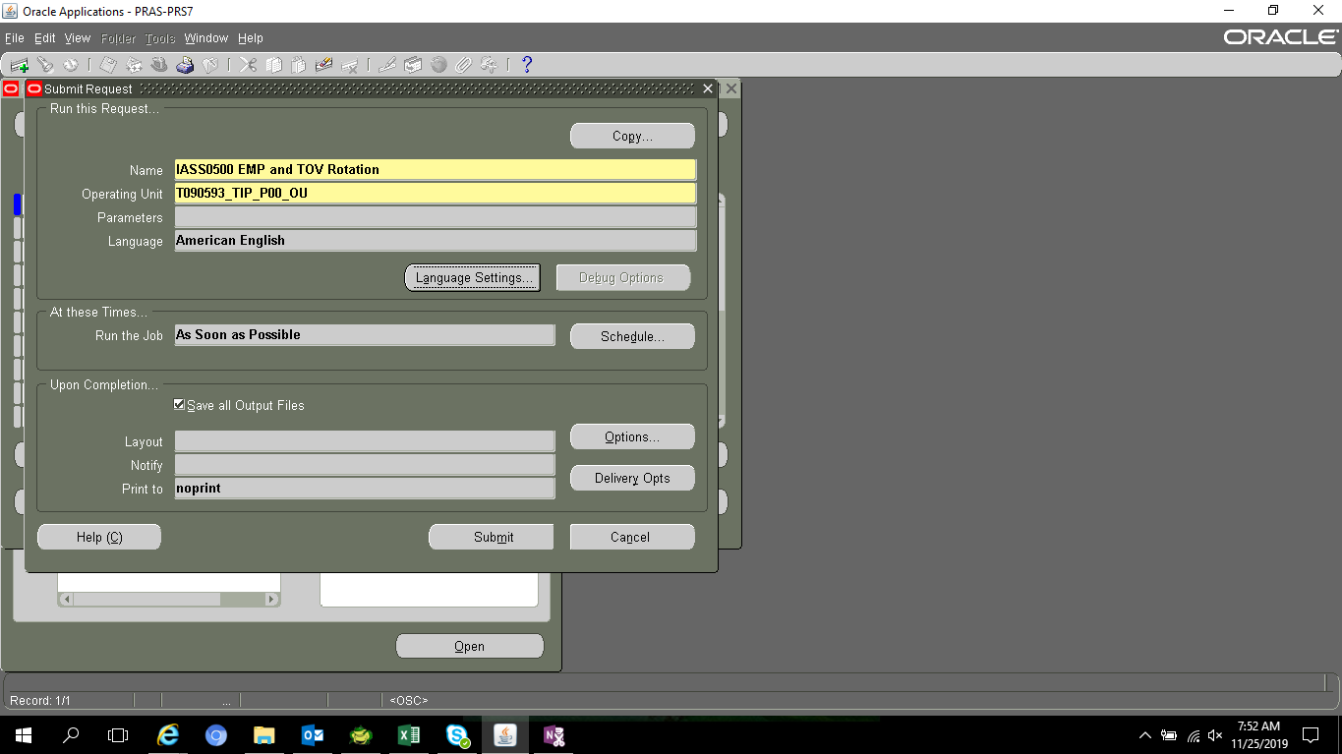
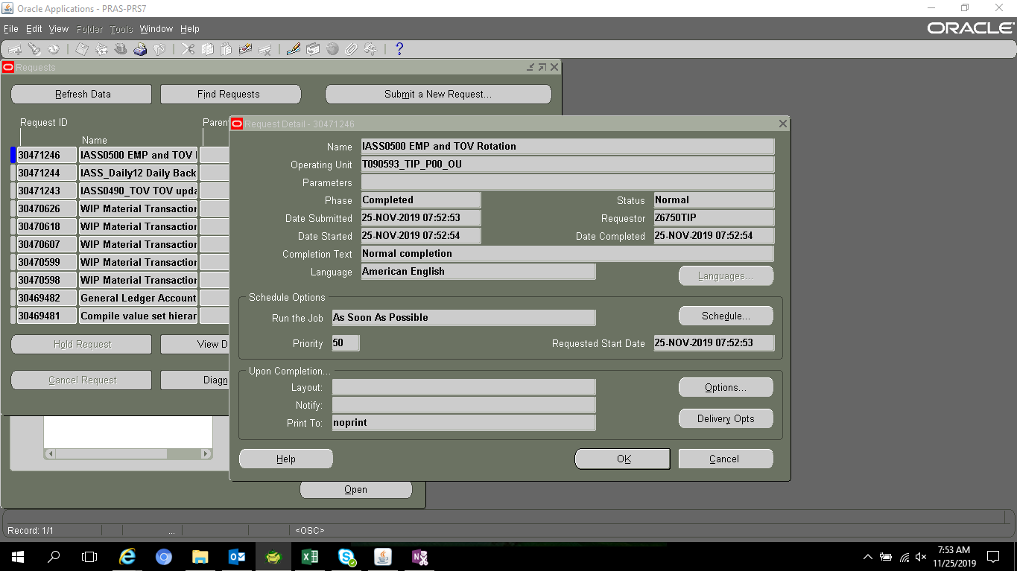
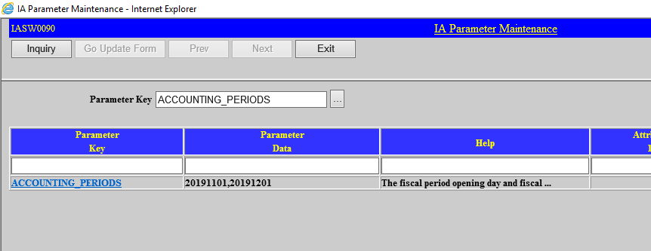
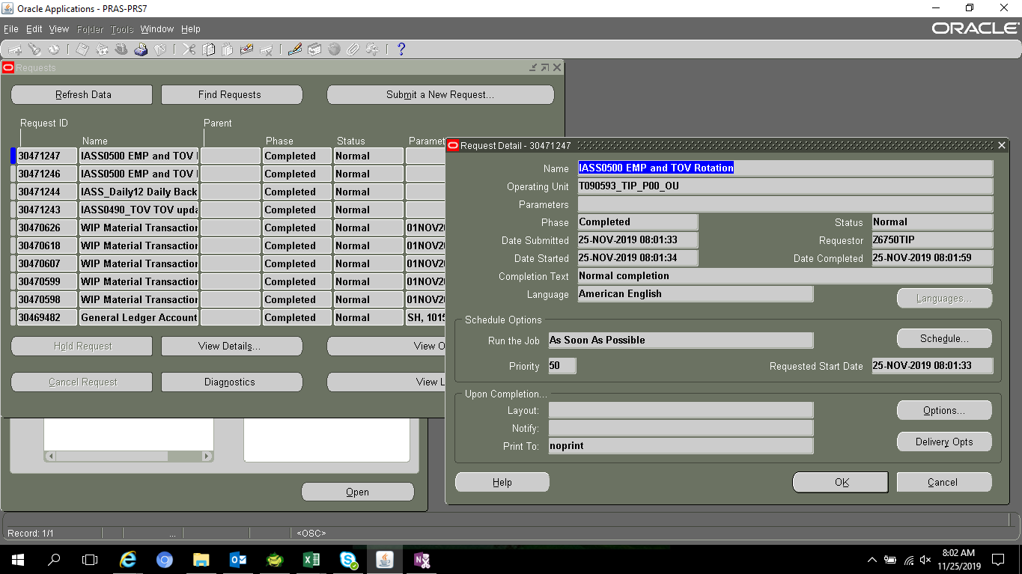
SELECT parameter_key,
last_update_date,
attribute1,
attribute2,
attribute3,
help
FROM XXIA.IAS_PARAMETER_MST
WHERE 1=1
AND parameter_key LIKE '%EMP%'
AND ledger_name = 'T090593_TIP_IFRS'
AND parameter_data = 'USD'

LEDGER_NAME | PARAMETER_KEY | PARAMETER_DATA | HELP | CREATION_DATE | CREATED_BY | LAST_UPDATE_DATE | LAST_UPDATED_BY | LAST_UPDATE_LOGIN | ATTRIBUTE1 | ATTRIBUTE2 | ATTRIBUTE3 | ATTRIBUTE4 | ATTRIBUTE5
T090593_TIP_IFRS | EMP-N | USD | EMP-N is meaning next period. Attribute meaning is same EMP-C, please refer it. | 2014-10-11 | MIGRATION | 11/20/19 | IASS0500 |  | 2019B | 2019-10-01 | 2020-03-31 | NO
T090593_TIP_IFRS | EMP-N1 | USD | EMP-N1 is meaning next period 1st term. Attribute meaning is same EMP-C, please refer it. | 2014-10-11 | MIGRATION | 11/20/19 | IASS0500 |  | 2019B1 | 2019-10-01 | 2019-12-31 | YES
T090593_TIP_IFRS | EMP-N2 | USD | EMP-N2 is meaning next period 2nd term. Attribute meaning is same EMP-C, please refer it. | 2014-10-11 | MIGRATION | 11/20/19 | IASS0500 |  | 2019B2 | 2020-01-01 | 2020-03-31 | YES
T090593_TIP_IFRS | EMP-C | USD | EMP-C is meaning current period. Attribute1 : period of half year. Attribute2 : start data. Attribute3 : end date. Attribute4 : Maintenance form can update or not. | 2014-10-11 | MIGRATION | 10/3/18 | IASS0500 |  | 2019A | 2019-04-01 | 2019-09-30 | NO
T090593_TIP_IFRS | EMP-C1 | USD | EMP-C1 is meaning current period 1st term. Attribute meaning is same EMP-C, please refer it. | 2014-10-11 | MIGRATION | 10/3/18 | IASS0500 |  | 2019A1 | 2019-04-01 | 2019-06-30 | YES
T090593_TIP_IFRS | EMP-C2 | USD | EMP-C2 is meaning current period 2nd term. Attribute meaning is same EMP-C, please refer it. | 2014-10-11 | MIGRATION | 10/3/18 | IASS0500 |  | 2019A2 | 2019-07-01 | 2019-09-30 | YES

SELECT *
FROM XXIA.IAS_PARAMETER_MST
WHERE 1=1
AND parameter_key LIKE '%TOV%'
AND ledger_name = 'T090593_TIP_IFRS'
AND parameter_data = 'USD'

LEDGER_NAME | PARAMETER_KEY | PARAMETER_DATA | HELP | CREATION_DATE | CREATED_BY | LAST_UPDATE_DATE | LAST_UPDATED_BY | LAST_UPDATE_LOGIN | ATTRIBUTE1 | ATTRIBUTE2 | ATTRIBUTE3 | ATTRIBUTE4 | ATTRIBUTE5
T090593_TIP_IFRS | TOV-N | USD | TOV-N is meaning next period. Attribute meaning is same TOV-C, please refer it. | 2014-10-11 | MIGRATION | 11/20/19 | IASS0500 |  | 2019B | 2019-10-01 | 2020-03-31 | NO
T090593_TIP_IFRS | TOV-N1 | USD | TOV-N1 is meaning next period 1st term. Attribute meaning is same TOV-C, please refer it. | 2014-10-11 | MIGRATION | 11/20/19 | IASS0500 |  | 2019B1 | 2019-10-01 | 2019-12-31 | YES
T090593_TIP_IFRS | TOV-N2 | USD | TOV-N2 is meaning next period 2nd term. Attribute meaning is same TOV-C, please refer it. | 2014-10-11 | MIGRATION | 11/20/19 | IASS0500 |  | 2019B2 | 2020-01-01 | 2020-03-31 | YES
T090593_TIP_IFRS | TOV-C | USD | TOV-C is meaning current period. Attribute1 : period of half year. Attribute2 : start data. Attribute3 : end date. Attribute4 : Maintenance form can update or not. | 2014-10-11 | MIGRATION | 10/3/18 | IASS0500 |  | 2019A | 2019-04-01 | 2019-09-30 | NO
T090593_TIP_IFRS | TOV-C1 | USD | TOV-C1 is meaning current period 1st term. Attribute meaning is same TOV-C, please refer it. | 2014-10-11 | MIGRATION | 10/3/18 | IASS0500 |  | 2019A1 | 2019-04-01 | 2019-06-30 | YES
T090593_TIP_IFRS | TOV-C2 | USD | TOV-C2 is meaning current period 2nd term. Attribute meaning is same TOV-C, please refer it. | 2014-10-11 | MIGRATION | 10/3/18 | IASS0500 |  | 2019A2 | 2019-07-01 | 2019-09-30 | YES

